idea
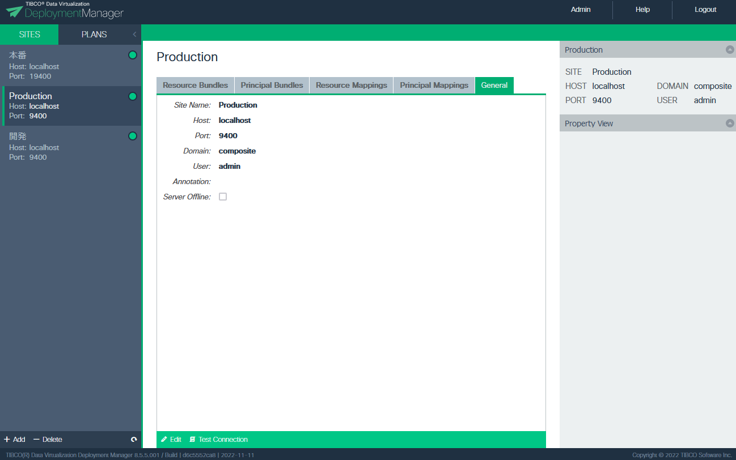

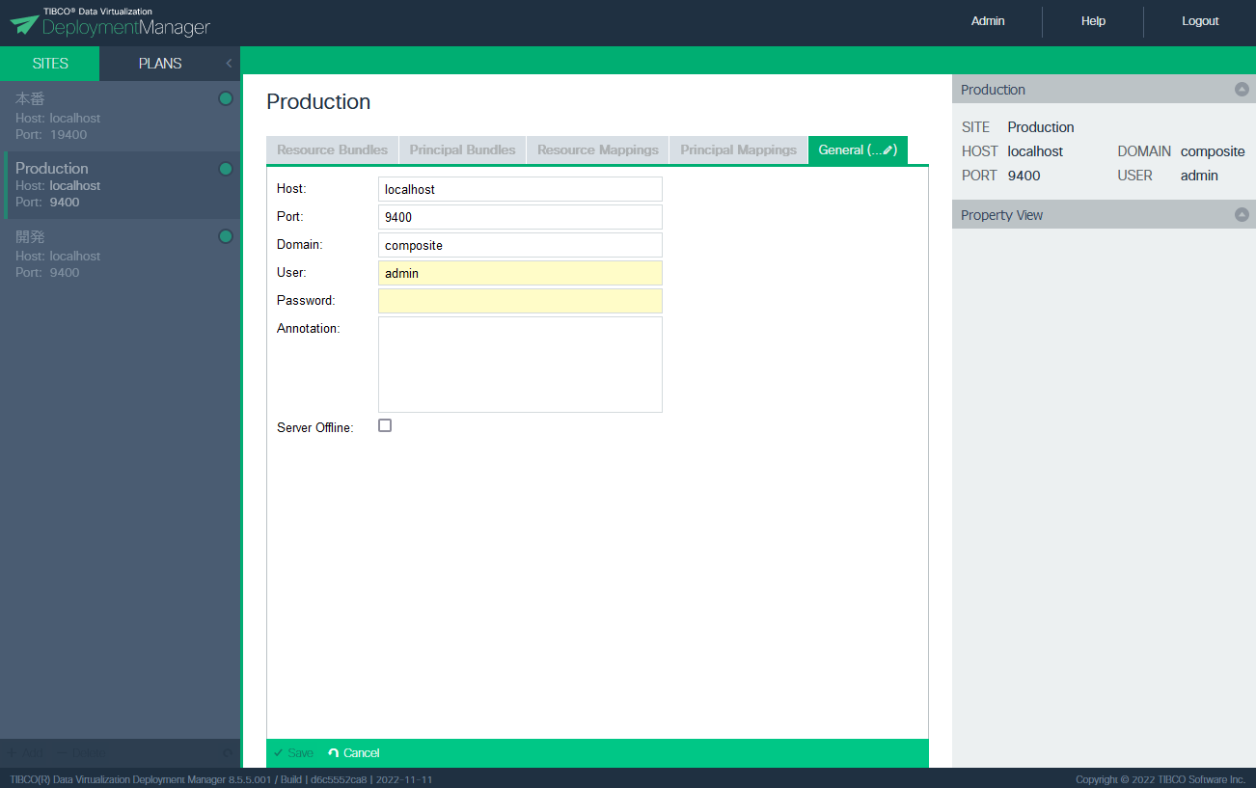

You cannot change the Site Name now.
I would like to change the Site Name as well here.

